Federal Govt
Federal Government-Owned Vehicles |  | https://www.gld.gov.hk/en/our-services/land-transport/fleet-management/

 | Ambulance | 485
 | Bus | 421
 | Heavy Goods Vehicles | 5
 | Light Bus | 255
 | Light Goods Vehicle | 2340
 | Medium Goods Vehicle | 253
 | Other Special Vehicle | 122
 | Motor Cycle | 722
 | Private Car | 1909
 | Recovery Vehicle | 130
 | Refuse Collection Vehicle | 141
 | Street Washer | 45
 | Sweeper | 57
 | Trailer | 14
 |  | 6899
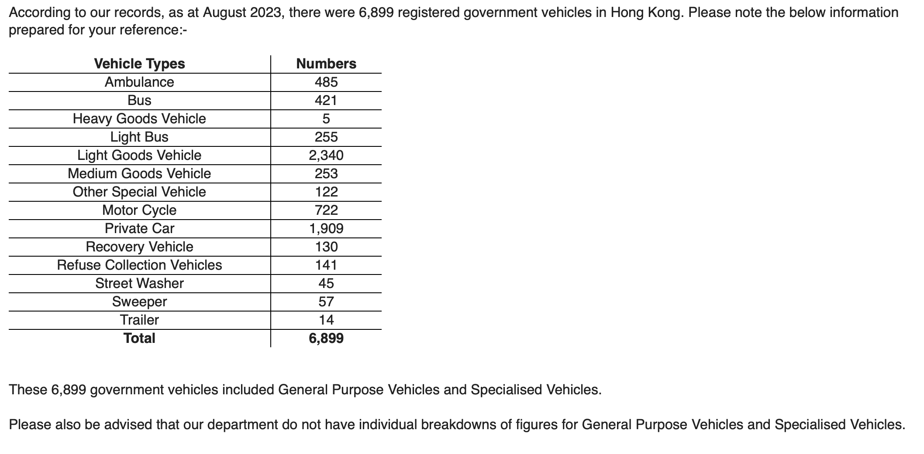

 | NOTE: taken from email conversation between EMSD Gary Cheung Aug 2023. Email is in the sharedrive

Fire Departments
Fire Department Vehicles |  | d

HK Population in 2021
7194600

Fire Vehicles in 2023
1252 | Operational fire appliances/ supporting vehicles (including amublances)
480 | ambulances (also located under the Fire Department)
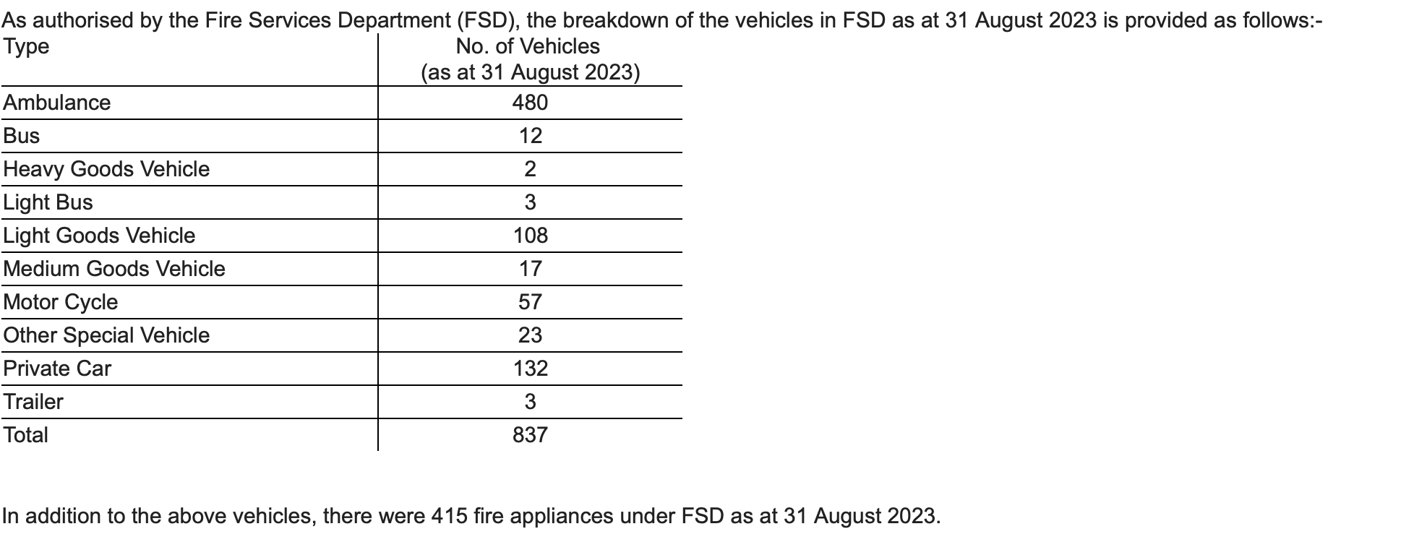

 | (screenshot taken from email conversation with garycheung@emsd.gov.hk [24/11/23]

